Canon
Worldbuilding:
Some believe all magick stems from the Worldsong; the Singers believe that the Worldsong created the elementals and fundamentals which ultimately gave rise to the powers of the Axiom, the Complex, the Brink, and even the Capital.
Others believe that magick is nothing more than a scientifical study; the Axiom is what decides what can and cannot be and its laws and dictums must be obeyed absolutely.
Of course, there are those that believe in the gods and their religions; through the powers of the divine Capital their powers are derived.
While even some trust in the Nexus and all nexal and astral powers; some argue these are not even magick, but crude, abhorrent misconjectures.
 |  |  |  |  |  |  |  |  |  |  |  |  | note: renamed Law of Sorcery to Law of Entropy in Axiom entirely, please look at Axiom tab
Origination | Archetype | Resource: | What the archetype kind of sort of defines as:
World Engine (Gears) | Axiom | Ichor or Ivory | Manipulation of the laws, rules, and dictums of the World, its gears and Engine. |  |  |  |  |  |  |  |  |  | Laws of Axiom divided
Nexus of Souls | Brink | Rites or Marks | Observation of the World (the Real, Chaos, and all but the Void) and control over spirits and souls. |  |  |  |  |  |  |  |  |  | Sorcery: All Axiom magick except Alchemy
The End (Moons & Rifts) | Complex | Hues of Moonlight | Magick of the Real, both fundamental and elemental. |  |  |  |  |  |  |  |  |  | Alchemy: Branch of Axiom magick studying the Law of Alchemy that got so developed it completely separated from the Sorcery Branch
The Colonade & Entablature | Capital | Ichor and the Astral | Celestial control alongside All Good Creation. Uses starlight for astral aportation (gates).
Worldsong | Worldsong | "Free"* | The creation of the World and the Real (and all but the Void). |  |  |  |  |  |  |  |  |  | Banned | Alchemy | Nine Sorceries
*The Worldsong itself provides for those who Sing. |  |  |  |  |  |  |  |  |  |  |  |  | Time | Alchemy | Entropy
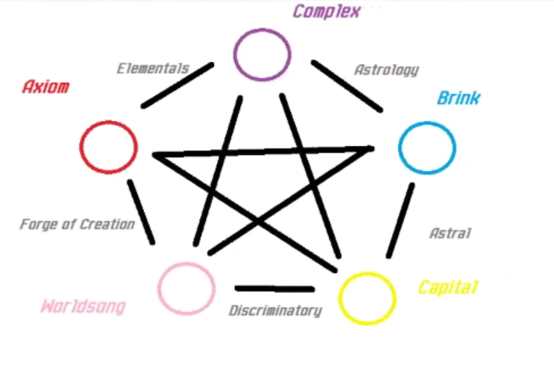
 |  |  |  |  |  |  |  |  |  |  |  |  | Motion |  | Light
Relationships: | Explanation: |  |  |  |  |  |  |  |  |  |  |  |  |  | Horizon
Axiom-Complex | The Elementals' and Fumdamentals' laws, dictums, etc. |  |  |  |  |  |  |  |  |  |  |  |  |  | Oneness
Complex-Brink | Astrological, Meteorological, and Cosmological forces |  |  |  |  |  |  |  |  |  |  |  |  |  | Velocity
Brink-Capital | Astral and Nexal energies and forces |  |  |  |  |  |  |  |  |  |  |  |  |  | Heat
Capital-Worldsong | Colonnade's will upon the Entablature |  |  |  |  |  |  |  |  |  |  |  |  |  | Stress
Worldsong-Axiom | Forge of Creation's timing with the Worldsong |  |  |  |  |  |  |  |  |  |  |  |  |  | Vibration
 |  |  |  |  |  |  |  |  |  |  |  |  |  |  | Focus
Contrast: | Limits of power:
Axiom v Brink-Capital | Cannot affect the Nexal or Astral forces.
Complex v Capital-Worldsong | Cannot perform creationism.
Brink v Axiom-Worldsong | Cannot affect the laws and dictums of the World or its Song.
Capital v Axiom-Complex | Cannot affect the World directly. Can only redefine or transform/translate.
Worldsong v Complex-Brink | Cannot affect that which is beyond the End.
 |  |  |  |  |  |  |  |  |  |  |  |  | up
 |  |  |  |  |  |  |  |  |  |  |  |  | Wizardry: Current term for Sorcery-like Moon Magick, gonna change
 |  |  |  |  |  |  |  |  |  |  |  |  | I was thinking wizardry was...maybe..."active spells"...in Axiom? Kind of? |  |  |  |  | i made that Sorcery
 |  |  |  |  |  |  |  |  |  |  |  |  | Like Alchemy would be "science" and Wizardry would be...spellcasting?
 |  |  |  |  |  |  |  |  |  |  |  |  | "Classes" |  | Examples:
 |  |  |  |  |  |  |  |  |  |  |  |  | Schematic*
 | Materialism Triad |  |  |  |  |  |  |  |  |  |  |  | Triad of Thaumaturgy |  |  |  | basically now non-mind moon spells = Wizardry
 | Axiom | Alchemy | Wizardry |  | Seeking | Looking out beyond the End and back into the World to know things unknowable. |  |  |  |  |  |  | Axiom |  | Alchemy |  | and laws manipulation except alchemy in Axiom = Sorcery
 | Worldsong | Restoration | Creation |  |  |  |  |  |  |  |  |  | Worldsong |  | Restoration |  | wanna swap the terms around?
 | Complex |  |  |  |  |  |  |  |  |  |  |  | Complex |  | Wizardry | Elemancy

 | Destruction Triad |  |  |  |  |  |  |  |  |  |  |  | Triad of Destruction
 | Complex | Sorcery |  |  |  |  |  |  |  |  |  |  | Complex |  | Wizardry
 | Axiom |  |  |  |  |  |  |  |  |  |  |  | Axiom |  | Sorcery
 | Brink |  |  |  |  |  |  |  |  |  |  |  | Brink |  | Voodoo/Hijinks

 | Spiritualism Triad |  |  |  |  |  |  |  |  |  |  |  | Triad of Spiritualism
 | Brink | Seeking | Witchcraft | Voodoo/Hijinks |  |  |  |  |  |  |  |  | Brink |  | Seeking | Voodoo/Hijinks
 | Complex | Sorcery |  |  |  |  |  |  |  |  |  |  | Complex |  | Elemancy | Psychic
 | Capital |  |  |  |  |  |  |  |  |  |  |  | Capital |  | Helio/Meteo-mancy

 | Determinism Triad |  |  |  |  |  |  |  |  |  |  |  | Triad of Determinism
 | Capital | Aportation | Thaumaturgy |  |  |  |  |  |  |  |  |  | Capital |  | Aportation
 | Brink | Seeking | Witchcraft | Voodoo/Hijinks |  |  |  |  |  |  |  |  | Brink |  | Seeking
 | Worldsong | Restoration | Creation |  |  |  |  |  |  |  |  |  | Worldsong |  | Restoration

 | Construction Triad |  |  |  |  |  |  |  |  |  |  |  | Triad of Construction
 | Worldsong | Restoration | Creation |  |  |  |  |  |  |  |  |  | Worldsong |  | Creation
 | Axiom |  |  |  |  |  |  |  |  |  |  |  | Axiom |  | Alchemy | Sorcery
 | Capital |  |  |  |  |  |  |  |  |  |  |  | Capital |  | Aportation

 |  | The Body of Fundamentals | Name | Ligature | Manifestation | Weakness
 | Tur-an |  | La'ne | Fleeting Eyes | Careless, Envious | Illusion
 |  |  | Kr'ris | Rooted Feet | Obstinate, Intolerant | Reason
 |  |  | Ak'he | Uncalloused Hands | Slothful, Wasteful | Purpose
 |  |  | Ir'rah | Hardened Heart | Wrathful, Contemptuous | Time
 |  |  | D'an | Dishonest Lips | Deceitful, Insincere | Voice
 |  |  | Ki'no | Dichotomous Mind | Ignorant, Susceptible | Shadow
 | Being | Foundation of All Good Creation | Word of Power | Virtue | Manifestation | Weakness
 |  |  | Nepets | Conscientiousness
 |  |  | Tala | Openness
 |  |  | Ana | Industriousness
 | Covenant |  | Ava | Empathy
 |  |  | Navis | Truthfulness

 |  |  | Nekino | Ascension | Assimilation of the Shadow

 |  |  |  | Relationships (INCOMPLETE, just examples for shitstorming):
 |  |  |  | Alchemy | Abjuration | Sealing | Warding | Destruction | Sorcery | Chronomancy** | Crude***
 |  |  |  | Shamanism | Druidism | Scrying | Reanimation | Ressurection | Cryomancy | 11 Divine Weapons-like magick
 |  |  |  | Apportation | Bidding | Elemancy | Psychic | Arcane
 |  |  |  | Astral Aportation | Thaumaturgy | Heliomancy | Meteormancy | Occult
 |  |  |  | Singing | Creation | Conjuration

**Any magick that manipulates time is (now) impossible. |  |  |  | Undecided:
***Known to some as "voodoo" or even "hijinks". |  |  |  | Restoration

Glossary of Terms:
Voice | Powers from spoken words, chants, songs, and music. Powers of Voice often come directly from Words of Power themselves. |  |  |  |  |  |  |  |  |  |  | Elememancy
Reason | Powers from heat and pressure, as well as the chaotic and elemental energies of the rifts themselves.
Invoke (Invocation) | To "call in" a power (either into a ones self or another being).
Evoke (Evocation) | To "call forth" power out into the world (casting out power).
Stable | Powers that can be used in a "controlled" way to do purposeful tasks.
Unstable | Powers that upon use might have random, often unknowable effects.

But what about the suns?
There are only three suns. These are (or were) other Worlds, except for the One Sun.*
The One Sun* is stationary but prior to Alma's ascent was Light's gaze from the Forge of Creation unto the World, until it was made Pale by the Abjuration.
*Known by various names through various cultures... Alma, Ol'Ma, The Pale Sun, The Pale Moon, The True Moon, The Moon...the list goes on. Some cultures believe another world exists there and believe it to be what we might call "heaven"...

Axiom & Gears
Gears are derived from Axiom and Axiom is made determinable by the World Engine itself.
The World Engine is driven by a source, the Forge of Creation, which is maintained by All That Was, Is, and Can Be.
The Pinnacle of Elements bestowed the Elementals' power to All That Was, Is, and Can Be.
Only light may enter the Forge and All That Was, Is, and Can Be can never leave it.
Axiom defines the laws and rules of almost all Creation itself, both in the Real and for Being.

Ivory?
Ivory is all that remains from the Yester.
Ivory is primarily used as a fuel source to power Axiom magick.

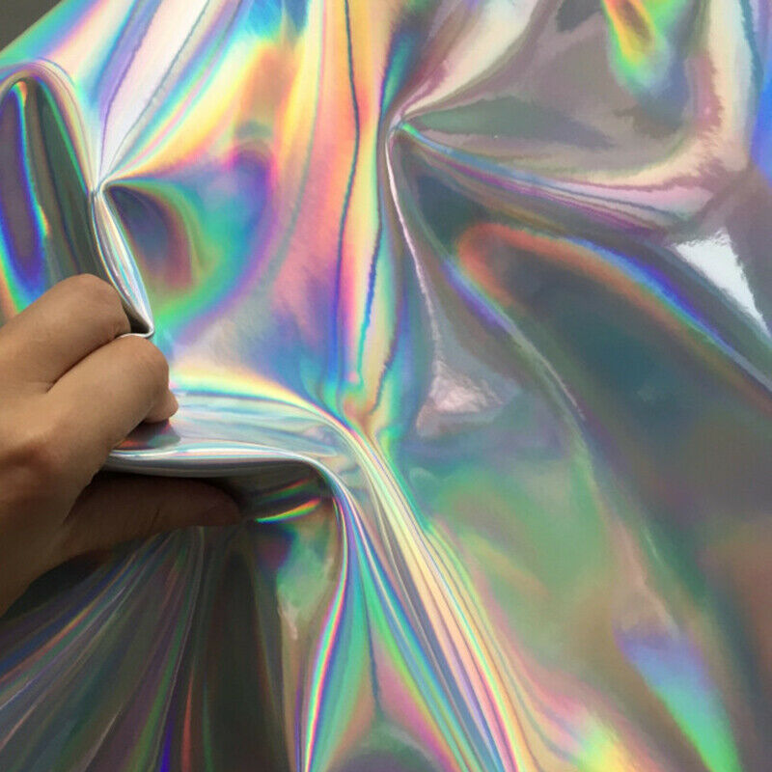
Yester? |  |  | Figure: a person's hand grabbing hold of ivory that is caught between solid and liquid forms.
The Yester were likely the first civilization in the World.
They reached across all gears within the World in their time.
Their powers led to abundance.
However, in what might have been their perfection...
They also found absolution and, ultimately, the Void.
The Yester left the World. Most believe they went into the Void.
All they left behind turned to ivory over the millenia since.
Ivory = Artificial Ichor created/left behind by the Yester

Capital magick:
Ichor = blood of gods - "To give Meaning is to be divine."

So is Axiom magick is heresy? Do gods despise the acts of mortals?
Not all gods find it to be heresy. A lot do, however.
Consider: some Axiom could be "supported" by Capital magick, as a god could lend their power.

 |  |  |  |  |  | Acolyte | Primalist
 |  |  |  | Reliquarian |  | Necromancy | Shamanism
 |  |  |  | Phylactery |  | Lich magick | Druidism
 |  |  |  |  |  | Warlock | Beastspeak
 |  |  |  |  |  | Witch | Beastmastery

Axiom
The Axiom is divided into several foundational aspects: the Pinnacle of Elements, Laws of All Good Creation, the Body of Fundamentals, and Alchemy of the World Engine.
All magick within the Axiom might be defined as alchemical in nature; however, by using Words of Power or Ligatures of the Body, some laws might be manipulated without literal Alchemy.

 | Pinnacle of Elements |  |  |  |  |  |  | Laws of All Good Creation |  |  |  |  |  |  | Body of Fundamentals
Planars | DUST |  |  | PALE |  |  |  | The Foundational principles are divided into Laws and Dictums which are the very Source for All Good Creation. |  |  |  |  |  |  | Fundamental principles are applied to the Axiom through Derivations of the Laws themselves.
 | Elementals of the Highest Order: |  |  |  |  |  |  | Law of: | Dictum of: | Description: |  |  |  |  | Law's Derivation: | Dictum of: | Derived from: | Definition:
Gears | Sea | Cloud | Snow | Sand | Storm | Ash |  | Light | Glow | Light, which was liberated from Chaos. |  |  |  |  | Heat | Spark | Light | Energy into temperature.
 | Elementals on High: |  |  |  |  |  |  | Time | Turn | The World Engine turns the gears. |  |  |  |  | Motion | Drive | Time | The gears turned - Turning is motion.
Forms | Ocean | Mountain | Expanse | Desert | Cyclone | Volcano |  | Horizon | Pull | Gears, when given Meaning, are pulled back into the Forge. |  |  |  |  | Stress | Push | Horizon | The pressure of the gears interconnected and against one another.
Compounds | Mist | Mist | Glacier | Island | Maelstrom | Swamp |  | Oneness | Cohesion | "I have created you so that All That Was, Is, and Can Be, to create Order where there is naught but Chaos..." |  |  |  |  | Vibration | Flux | Cohesion | Cohesion connects the gears. Gears being connected leads to vibration.
 | Glacier | Cliff | Cliff | Dune | Melding* | Volcano |  | Velocity | Flow | Gears flow through Aether and given direction by Creation. |  |  |  |  | Focus | Intent | Velocity | The gears were given purpose.
 | Island | Dune | Sandur | Sandur | Blizzard | Gloam |  | Alchemy | Event | Gears affects upon one another. |  |  |  |  | Entropy | Chaos | Event | The descent into Chaos.
 | Maelstrom | Melding* | Blizzard | Erg | Erg | Boil |  | Using ivory allows for the laws and dictums to be manipulated in various ways...
 | Swamp | Volcano | Gloam | Boil | Tar | Tar |  | The Law of Alchemy: Gears affects upon one another. Every gear has unique properties. These can be concentrated into strong form.
Orientations | Beach | Plains | Taiga | Oasis | Valley | Bog | SOURCE | The Law of Entropy: The descent into Chaos. Usage of Ivory leads to explosive magick inherent to each gear.
 | Breach | Buff | Tundra | Badland | Tear** | Caldera | DERIVATION
 |  |  |  |  |  |  |  | Gears | Alchemy | Elementalism | Fundamentalism | Ivory Effect | Material
PALE | Snow | Cloud | Sea | Ash | Storm | Sand | SOURCE | Snow |  | Chill |  |  |  |  | Unnatural resistance to Sorcery.
Snow | Expanse | Cliff | Glacier | Gloam | Avalanche | Sandur | Taiga | Cloud |  |  |  |  |  |  | *Greatly boosts Focus Axiom.
Cloud | Cliff | Mountain | Mist | Plume | Melding* | Dune | Plains | Sea |  | Drown |  |  |  |  | *Greatly boosts Vibration Axiom.
Sea | Glacier | Mist | Ocean | Swamp | Maelstrom | Island | Beach | Ash |  | Burn |  |  |  |  | *Greatly boosts Heat Axiom.
Ash | Gloam | Plume | Swamp | Volcano | Tar | Boil | Bog | Storm |  | Shock |  |  |  |  | *Greatly boosts Stress Axiom.
Storm | Avalanche | Melding* | Maelstrom | Tar | Cyclone | Erg | Valley | Sand |  |  |  |  |  |  | *Greatly boosts Motion Axiom.
Sand | Sandur | Dune | Island | Boil | Erg | Desert | Oasis | Expanse |  |  |  |  |  |  | Dispells all of temporary magick influencing your body.
DERIVATION | Tundra | Buff | Breach | Caldera | Tear** | Badland | DUST | Mountain |  |  |  |  |  |  | Greatly refreshes your stamina.
 |  |  |  |  |  |  |  | Ocean |  |  |  |  |  | Crushing | Allows you to breathe without using your lungs.
*Meldings are special for some reason (undecided). They allow for Pale to do something beyond just "removing" an aspect from the Axiom. |  |  |  |  |  |  |  | Volcano |  |  |  |  |  | Slashing | Cauterizing wounds.
**Tears are created from the use of the Capital; they are unstable, virulent rips which can defy any dictum or law set forth by the Axiom. |  |  |  |  |  |  |  | Cyclone |  |  |  |  |  | Piercing | Creates reverted Tesla's Cage.
 |  |  |  |  |  |  |  | Desert |  |  |  |  |  | Shocking | A short distance blink. (Abjuration)
The six primary Elemental Gears: |  |  |  |  |  |  |  | Cliff |  |  |  |  |  | Burning
Sea | Cloud | Snow | Sand | Storm | Ash |  |  | Glacier |  |  |  |  |  | Freezing
 |  |  |  |  |  |  |  | Gloam |  |  |  |  |  | Corroding
Compounds combine two, different gears: |  |  |  |  |  |  |  | Avalanche |  |  |  |  |  | Agonizing
Combine two | Sea | Cloud | Snow | Sand | Storm | Ash |  | Sandur |  |  |  |  |  | Chaos
Sea | Form*** | Mist | Glacier | Island | Maelstrom | Swamp |  | Mist |  |  |  |  |  | Void
Cloud | Mist | Form*** | Cliff | Dune | Melding* | Volcano |  | Plume
Snow | Glacier | Cliff | Form*** | Tundra | Blizzard | Gloam |  | Melding*
Sand | Island | Dune | Tundra | Form*** | Erg | Boil |  | Dune
Storm | Maelstrom | Melding* | Blizzard | Erg | Form*** | Tar |  | Swamp
Ash | Swamp | Volcano | Gloam | Boil | Tar | Form*** |  | Maelstrom
 |  |  |  |  |  |  |  | Island
***Forms are combined from two of the same primary gears: |  |  |  |  |  |  |  | Tar |  |  |  |  |  |  | Ties gears together.
Sea | + | Sea | = | Ocean |  |  |  | Boil
Cloud | + | Cloud | = | Mountain |  |  |  | Erg
Snow | + | Snow | = | Expanse |  |  |  | Tundra |  |  |  |  |  |  | Greatly empowers all Axiom magick on the Tundra Gear.
Sand | + | Sand | = | Desert |  |  |  | Buff |  |  |  |  |  |  | Greatly depletes organism's stamina.
Storm | + | Storm | = | Cyclone |  |  |  | Breach |  |  |  |  |  |  | Repels stuff incoming Into the Breach gear.
Ash | + | Ash | = | Volcano |  |  |  | Caldera |  |  |  |  |  |  | Deepens wounds of an organism.
 |  |  |  |  |  |  |  | Tear** |  |  |  |  |  |  | **
Flavors combine a gear and Dust, but their output is determined by their orientation: |  |  |  |  |  |  |  | Badland |  |  |  |  |  |  | Allows you to phase out and in of existence, while being tied to one position.
Sea | oriented to | Derision | = | Breach |  |  |  | Taiga |  |  |  |  |  |  | Dispells magick in an area.
Cloud | oriented to | Derision | = | Buff |  |  |  | Plains |  |  |  |  |  |  | Revitalises an organism, cleansing it from anything not "original"
Snow | oriented to | Derision | = | Taiga |  |  |  | Beach |  |  |  |  |  |  | Allows you to swim and breathe in sand - tunelling.
Sand | oriented to | Derision | = | Badland |  |  |  | Bog |  |  |  |  |  |  | Melds your wounds with fungi, healing them and creating fungi mutations.
Storm | oriented to | Derision | = | Tear** |  |  |  | Valley |  |  |  |  |  |  | Creates reverted Tesla's Cage.
Ash | oriented to | Derision | = | Caldera |  |  |  | Oasis |  |  |  |  |  |  | A short distance blink. (Abjuration)
 |  |  |  |  |  |  |  | Gear | Gemstone (Material) | Alchemy (Reason) | Entropy (Voice)
Sea | oriented to | Source | = | River |  |  |  | Snow |  | Repellent | Unnatural resistance to Sorcery.
Cloud | oriented to | Source | = | Plains |  |  |  | Cloud |  |  | *Greatly boosts Focus Axiom.
Snow | oriented to | Source | = | Sandur |  |  |  | Sea |  |  | *Greatly boosts Vibration Axiom.
Sand | oriented to | Source | = | Oasis |  |  |  | Ash | Ruby | Fertilizers | *Greatly boosts Heat Axiom.
Storm | oriented to | Source | = | Valley |  |  |  | Storm |  | Batteries | *Greatly boosts Stress Axiom.
Ash | oriented to | Source | = | Bog |  |  |  | Sand |  |  | *Greatly boosts Motion Axiom.
 |  |  |  |  |  |  |  | Expanse |  |  | Dispells all of temporary magick influencing your body.
Gears in relation to the World itself: |  | Lore/Description |  |  |  |  |  | Mountain |  |  | Greatly refreshes your stamina.
Gear Name | Location | Dust is within all things. From dust we are created and to dust we shall return. |  |  |  |  |  | Ocean |  |  | Allows you to breathe without using your lungs.
Dust (not a gear) | The World | Pure black Sea that people can "fly through"... Not really an ocean but a seemingly infinite "darkness". |  |  |  |  |  | Volcano |  |  | Cauterizing wounds.
Sea | The Abyss | Has white and purple grass. Grows a bunch of rice on clouds. Clouds are often "solid". |  |  |  |  |  | Cyclone |  |  | Creates reverted Tesla's Cage.
Cloud | North | The seemingly infinite reaches of Snow... All white, not much life |  |  |  |  |  | Desert |  |  | A short distance blink. (Abjuration)
Snow | Far West | Closest to the sun that does not move. |  |  |  |  |  | Cliff
Sand | Far East | World Tree is obliterated and where it was torn from the sky is left Storm |  |  |  |  |  | Glacier
Storm | Northwest | World Tree is obliterated and where it falls over becomes naught but Ash |  |  |  |  |  | Gloam
Ash | Southeast | Known as Alma, the Pale Moon, the One Sun, et al. Stationary sun. It is the source for Pale. |  |  |  |  |  | Avalanche
Pale (not a gear) | The Pale Sun |  |  |  |  |  |  | Sandur
 |  |  |  |  |  |  |  | Mist
Word of Power | Virtue |  |  |  |  |  |  | Plume |  | Glue
Nepets | Conscientiousness |  |  |  |  |  |  | Melding*
Tala | Openness |  |  |  |  |  |  | Dune
Ana | Industriousness |  |  |  |  |  |  | Swamp
Ava | Empathy |  |  |  |  |  |  | Maelstrom
Navis | Truthfulness |  |  |  |  |  |  | Island
Nekino | Ascension |  |  |  |  |  |  | Tar |  | Spices | Ties gears together.
 |  |  |  |  |  |  |  | Boil
Title | Ligature | Manifestation | Weakness |  |  |  |  | Erg
La'ne | Fleeting Eyes | Careless, Envious | Illusion |  |  |  |  | Tundra |  |  | Greatly empowers all Axiom magick on the Tundra Gear.
Kr'ris | Rooted Feet | Obstinate, Intolerant | Reason |  |  |  |  | Buff |  |  | Greatly depletes organism's stamina.
Ak'he | Uncalloused Hands | Slothful, Wasteful | Purpose |  |  |  |  | Breach |  |  | Repels stuff incoming Into the Breach gear.
Ir'rah | Hardened Heart | Wrathful, Contemptuous | Time |  |  |  |  | Caldera |  | Explosives | Deepens wounds of an organism.
D'an | Dishonest Lips | Deceitful, Insincere | Voice |  |  |  |  | Tear** |  |  | **
Ki'no | Dichotomous Mind | Ignorant, Susceptible | Shadow |  |  |  |  | Badland |  |  | Allows you to phase out and in of existence, while being tied to one position.
 |  |  |  |  |  |  |  | Taiga |  |  | Dispells magick in an area.
Word of Power* | When evoked | When invoked | Description |  |  |  |  | Plains |  |  | Revitalises an organism, cleansing it from anything not "original"
Nepets | Direct (stronger) damage | Boon | Specific attribute increases. |  |  |  |  | Beach |  |  | Allows you to swim and breathe in sand - tunelling.
Tala | AOE (weaker) damage | Siphon | Drain dictum from surroundings. |  |  |  |  | Bog |  | Medicine | Melds your wounds with fungi, healing them and creating fungi mutations.
Ana | Construction of thing | Release | Release dictum from self into surroundings. |  |  |  |  | Valley
Ava | Attunement to Dictum | Protection from damage | Increase or decrease damage taken from damage. |  |  |  |  | Oasis
Navis | Inflict ailment | Heighten/dull senses | Attunement
Nekino | Overload | Overload | Increased intensity of a spell by using more ivory.

 |  |  |  |  |  |  |  | Implication:
 |  |  |  |  |  |  |  | Being | Gears created from the Forge. Answers the "who" or "what".
Word of Power | Function |  |  |  |  |  |  | Meaning | Being given meaning. Answers the "why".
Nepets | Specific attribute increases. |  |  |  |  |  |  | Purpose | Being with Meaning.
Tala | Drain dictum from surroundings. |  |  |  |  |  |  |  |  |  |  |  |  |  | *Ivory can be used together with another resource - Highest Elemental Gear, to greatly boost the ivory consumption efficiency of manipulating the Derived Laws and Dictums.
Ana | Release dictum from self into surroundings. |  |  |  |  |  |  |  |  |  |  |  |  |  | For example, evoking a fireball through Ana of Spark costs unreasonable amount of ivory, which is why you want to use ash as a secondary resource. - using Reason (Sorcery Axiom)
Ava | Affect damage (increase, decrease, change type). |  |  |  |  |  |  |  |  |  |  |  |  |  | To continue the example, you would want to send the fireball to its target with Nepets of Push.
Navis | Attunement (link with gear to cast |  |  |  |  |  |  |  |  |  |  |  |  |  | Before casting the spell, you might want to boost it with more ivory through Nekino of Spark
Nekino | Increased intensity of a spell by using more ivory than cost.
 |  |  |  |  |  |  |  |  |  |  |  |  |  |  | Spell Chain Example:
 |  |  |  |  |  |  |  |  |  |  |  |  |  |  | Throw Fireball | Nekino: (Spark) Sorcery:(Evoke Ash through Reason:) Ana:(Spark) Nepets:(Push)
 |  |  |  |  |  |  |  |  |  |  |  |  |  |  | What is HEARD | "Nekino!" "Ana!" "Nepets!"
This will go in Complex in a few days/hours: |  |  |  |  |  |  |  |  |  |  |  |  |  |  | What is SEEN | Mage holds ash in hand (or Gemstone) and shouts three Words of Power, the ash turns into a fireball, which is then thrown towards a direction.
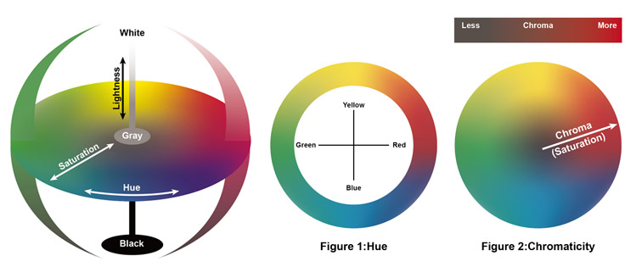

 |  |  |  |  |  |  |  |  | Light Axiom Magick: | When evoked |  |  | When invoked |  |  | Heat Axiom Magick: | When evoked |  | When invoked
 |  |  |  |  |  |  |  |  | Nepets of Glow | Direct beam of light. |  |  | Extend light from your body in various shapes. |  |  | Nepets of Spark | Direct beam of fire. |  | Extend heat from your body in various shapes.
 |  |  |  |  |  |  |  |  | Tala of Glow | Engulfes area with light. |  |  | Drains all light from your surroundings. |  |  | Tala of Spark | Engulfes area with fire. |  | Drains all heat from your surroundings.
 |  |  |  |  |  |  |  |  | Ana of Glow | Shaping and distortion of beams of light. (Lanterns, Light Spears...) |  |  | Release light from self into surroundings. |  |  | Ana of Spark | Shaping and distortion of fire (Fireballs, Fire Spears...) |  | Release heat from self into surroundings.
 |  |  |  |  |  |  |  |  | Ava of Glow | Makes something either more or less affected by Light. |  |  | Protects you from Glow dictum. |  |  | Ava of Spark | Makes something either more or less affected by Heat. |  | Protects you from Spark dictum.
 |  |  |  |  |  |  |  |  | Navis of Glow | Heightens sight or blinds another being. |  |  | Heightens sight or blinds self. |  |  | Navis of Spark | Heightens or lowers temperature of something. |  | Heightens or lowers temperature of self.
 |  |  |  |  |  |  |  |  | Nekino of Glow | Overload |  |  | Overload |  |  | Nekino of Spark | Overload |  | Overload

 |  |  |  |  |  |  |  |  | Horizon Axiom Magick: | When evoked |  |  | When invoked |  |  | Stress Axiom Magick: | When evoked |  | When invoked
 |  |  |  |  |  |  |  |  | Nepets of Pull | Direct beam of pull power. (Think black hole) |  |  | Featherfall / Faster fall |  |  | Nepets of Push | Direct beam of push power. (Think air pressure) |  | Strengthen the blows and kicks of your body.
 |  |  |  |  |  |  |  |  | Tala of Pull | Engulfes area with extreme pull to the ground. |  |  | Drains all pull from your surroundings, making nearby gears levitate. |  |  | Tala of Push | Engulfes area with strong winds. |  | Stops all movement in your surroundings for an instant.
 |  |  |  |  |  |  |  |  | Ana of Pull | Changing the size and scope. |  |  | Release pull from self into surroundings. |  |  | Ana of Push | Shaping and distortion of ground. (Cracks, Spikes...) |  | Release pressure from self into surroundings.
 |  |  |  |  |  |  |  |  | Ava of Pull | Makes something either more or less affected by Forge Pull. |  |  | Protects you from Pull dictum. |  |  | Ava of Push | Makes something either more or less affected by pressure. |  | Protects you from Push dictum.
 |  |  |  |  |  |  |  |  | Navis of Pull | Slows down another being |  |  | Heightens or lowers pull of self. |  |  | Navis of Push | Knocks up / back another being |  | Heightens or lowers strength of self.
 |  |  |  |  |  |  |  |  | Nekino of Pull | Overload |  |  | Overload |  |  | Nekino of Push | Overload |  | Overload

 |  |  |  |  |  |  |  |  | Time and by derivation, Motion Axiom Magick was sealed off by the Keystone. |  |  |  | Cannot be evoked nor invoked.
 |  |  |  |  |  |  |  |  |  |  |  |  |  |  |  | Vibration Axiom Magick: | When evoked |  | When invoked
 |  |  |  |  |  |  |  |  | Oneness Axiom Magick: | When evoked |  |  | When invoked |  |  | Nepets of Flux | Direct wave of flux sent forth. |  | .........................................
 |  |  |  |  |  |  |  |  | Nepets of Cohesion | Direct stone-turning beam. |  |  | Harden parts of your body. (LMAO) |  |  | Tala of Flux | ......................................... |  | .........................................
 |  |  |  |  |  |  |  |  | Tala of Cohesion | Changes the ground of an area into quicksand. |  |  | Become All. |  |  | Ana of Flux | ......................................... |  | .........................................
 |  |  |  |  |  |  |  |  | Ana of Cohesion | Shaping and distortion of cohesion. (Sand Sculptures, Boulder Shaping...) |  |  | Become One. |  |  | Ava of Flux | ......................................... |  | .........................................
 |  |  |  |  |  |  |  |  | Ava of Cohesion | Makes something either more or less cohesive. |  |  | Protects you from Cohesion dictum. |  |  | Navis of Flux | ......................................... |  | .........................................
 |  |  |  |  |  |  |  |  | Navis of Cohesion | Makes another being more or less fragile. |  |  | Makes part of your body more or less cohesive. (used in automedicine) |  |  | Nekino of Flux | Overload |  | Overload
 |  |  |  |  |  |  |  |  | Nekino of Cohesion | Overload |  |  | Overload

 |  |  |  |  |  |  |  |  | Velocity Axiom Magick: | When evoked |  |  | When invoked |  |  | Focus Axiom Magick: | When evoked |  | When invoked
 |  |  |  |  |  |  |  |  | Nepets of Flow | Grants increased velocity to an already moving gear. (Like an arrow) |  |  | Become THE FAST. |  |  | Nepets of Intent | Materializes your intent to hurt into a ranged non-projectile attack. |  | .........................................
 |  |  |  |  |  |  |  |  | Tala of Flow | ......................................... |  |  | ......................................... |  |  | Tala of Intent | ......................................... |  | .........................................
 |  |  |  |  |  |  |  |  | Ana of Flow | ......................................... |  |  | ......................................... |  |  | Ana of Intent | ......................................... |  | .........................................
 |  |  |  |  |  |  |  |  | Ava of Flow | ......................................... |  |  | ......................................... |  |  | Ava of Intent | ......................................... |  | .........................................
 |  |  |  |  |  |  |  |  | Navis of Flow | ......................................... |  |  | ......................................... |  |  | Navis of Intent | ......................................... |  | .........................................
 |  |  |  |  |  |  |  |  | Nekino of Flow | Overload |  |  | Overload |  |  | Nekino of Intent | Overload |  | Overload

 |  |  |  |  |  |  |  |  | Gears affects upon one another. Every gear has it's unique properties. These can be concentrated into strong form. |  |  |  |  |  |  | The descent into Chaos. Usage of Ivory leads to explosive magick inherent to each gear.
 |  |  |  |  |  |  |  |  | Alchemy Axiom Magick* | Evocation, captured. | Invocation, captured. | Further Definitions |  |  |  | Sorcery Axiom Magick: | When evoked/invoked through Ivory contact.

